Oboseala_Sarcina_de_lucru2
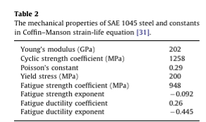
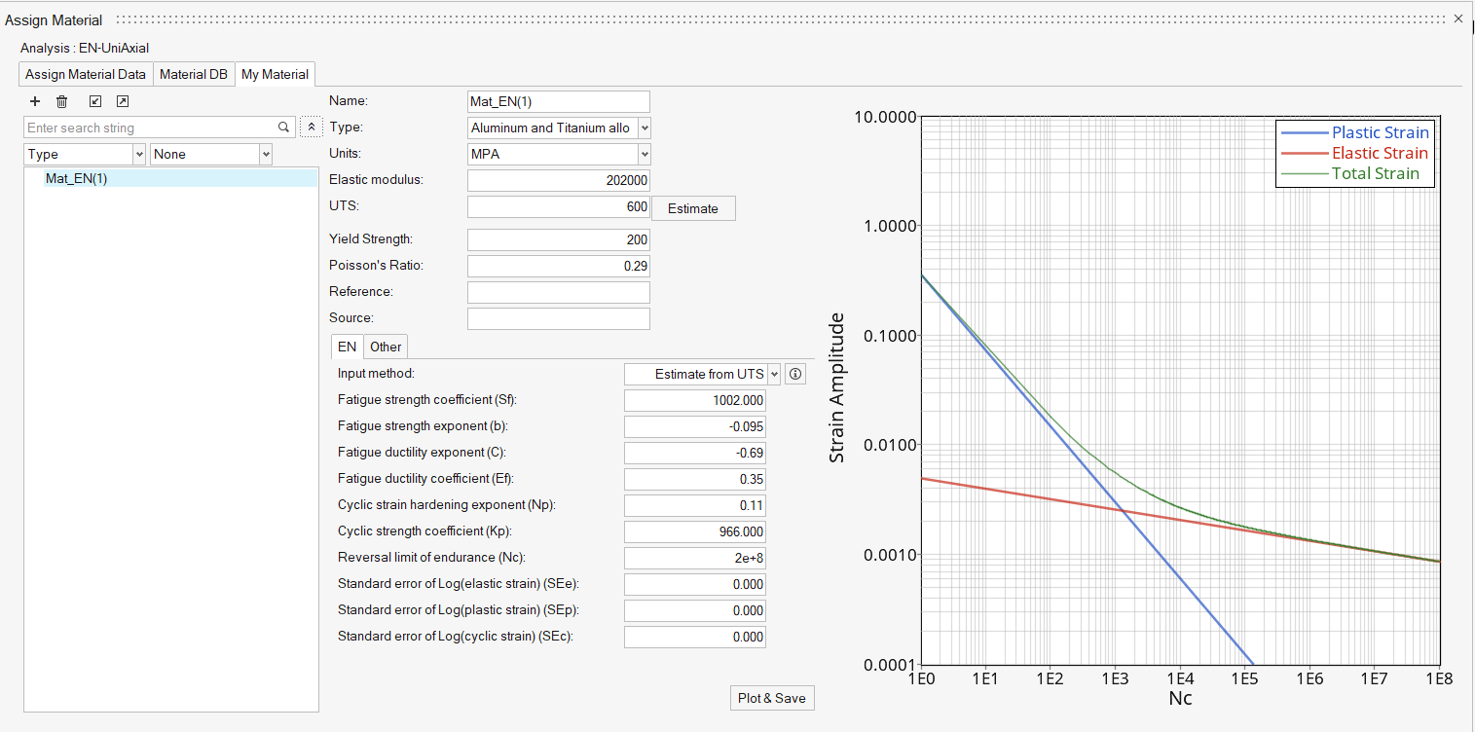
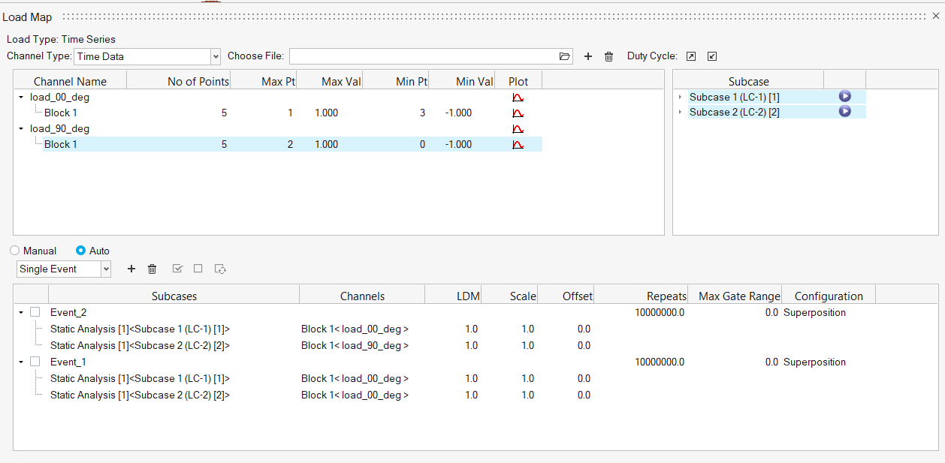
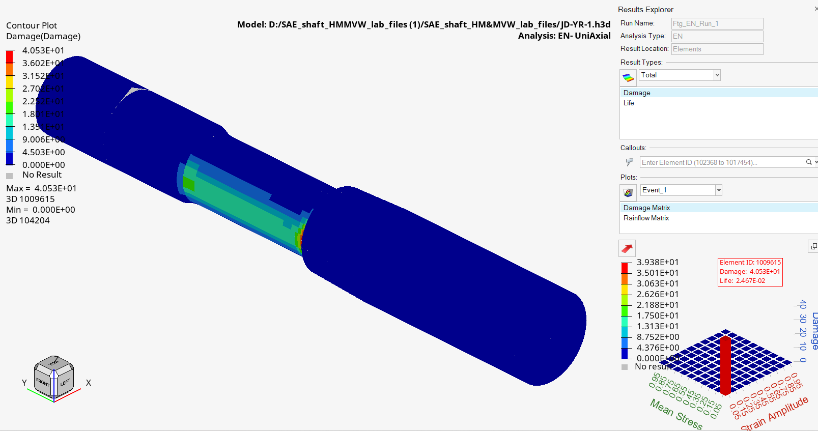
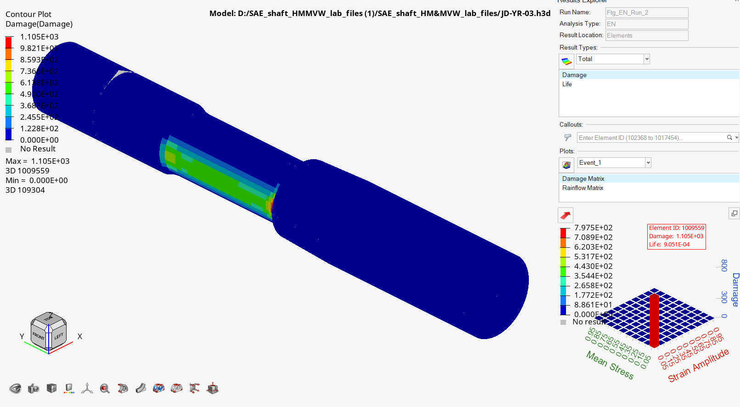

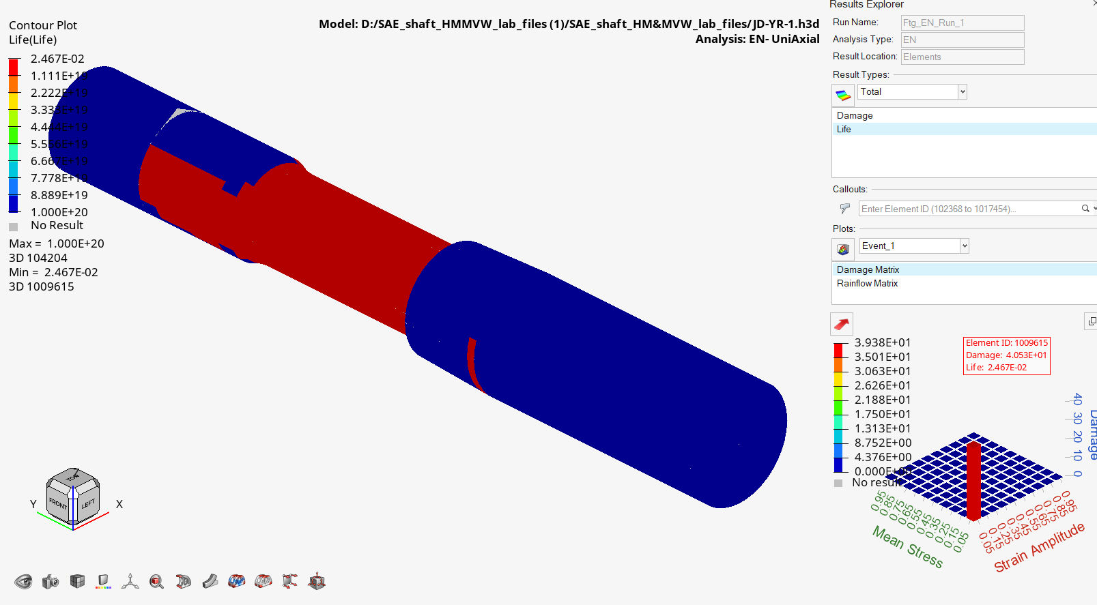

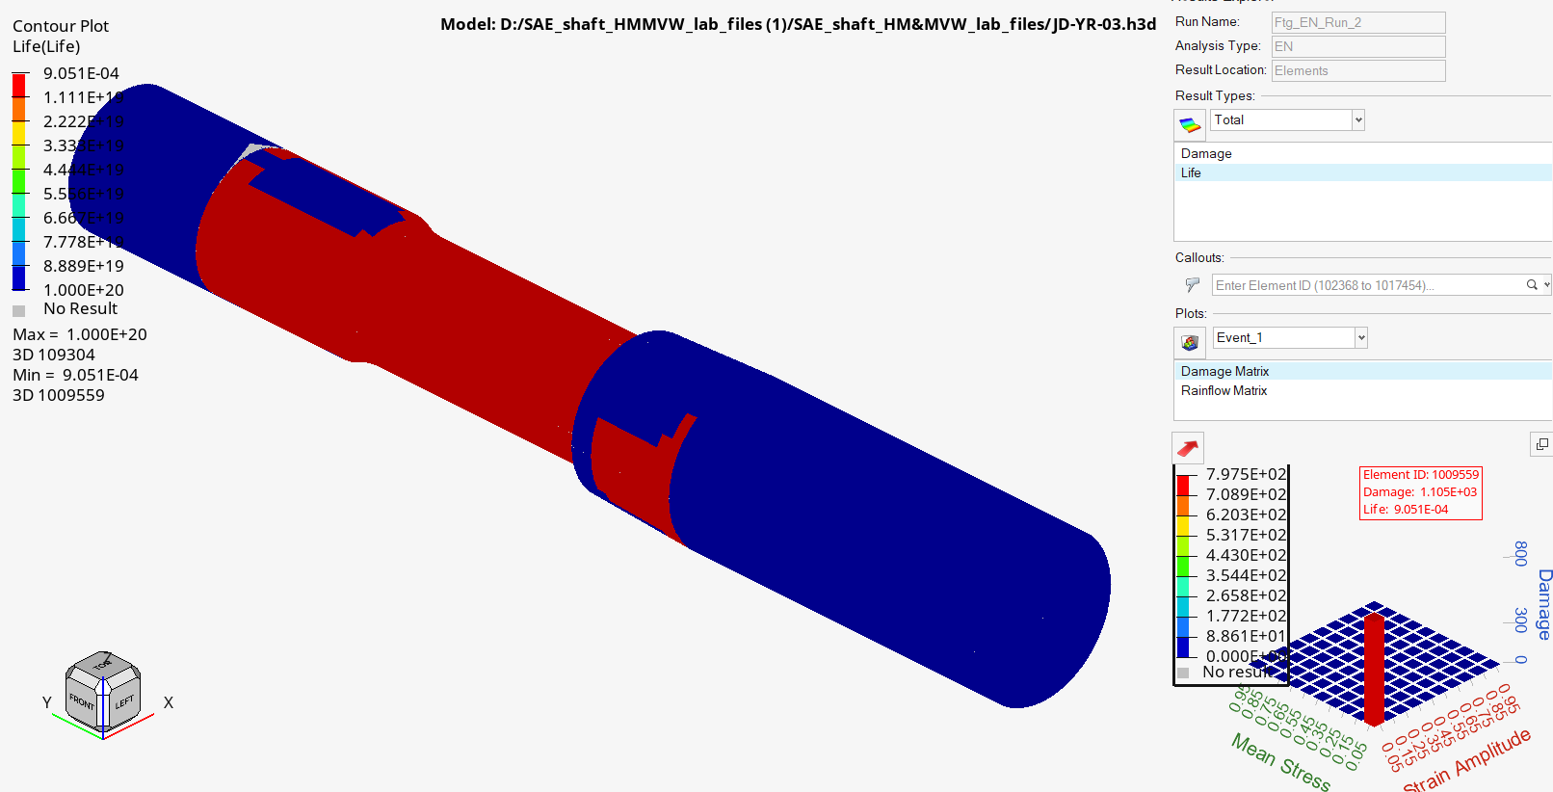

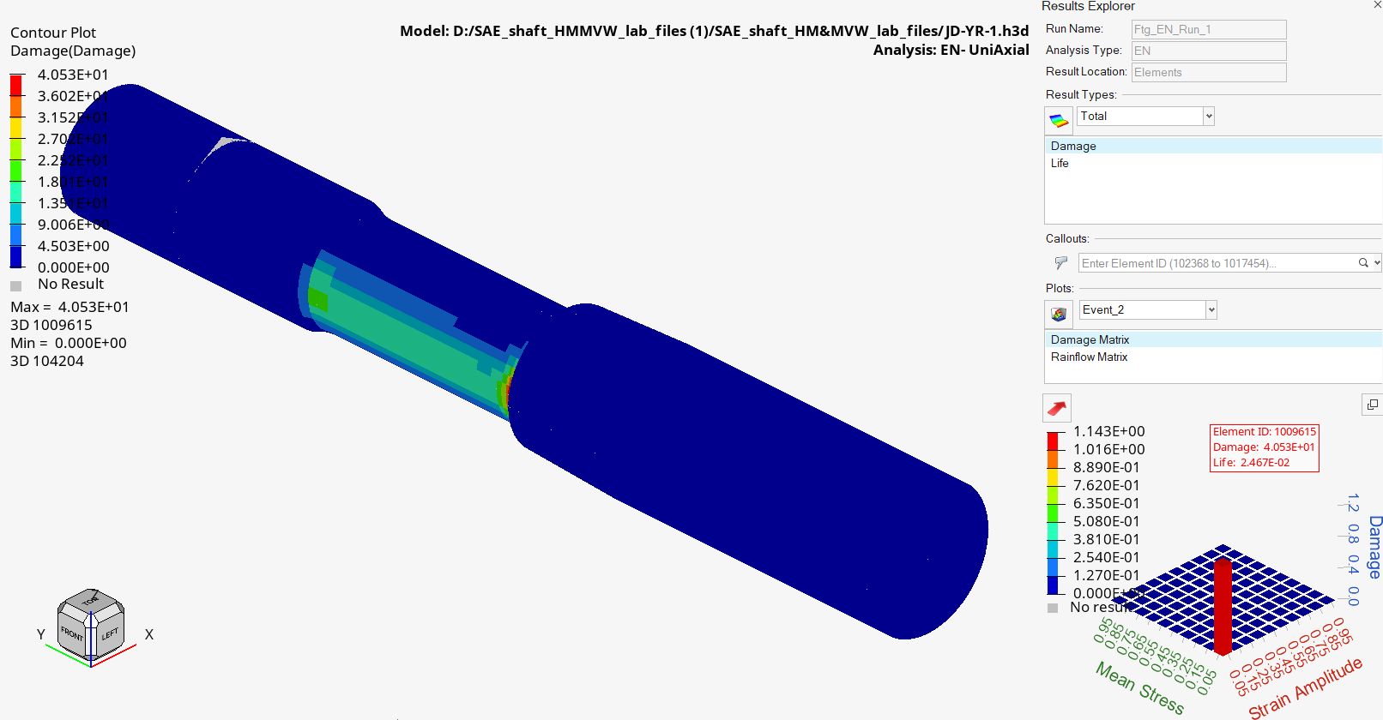
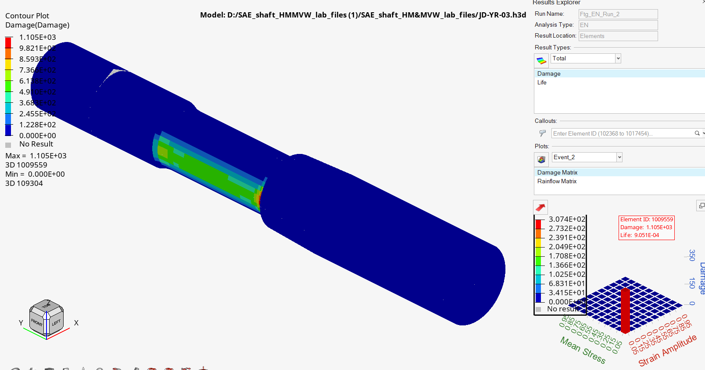

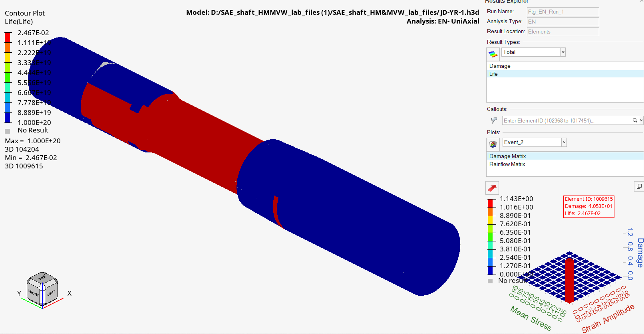


Material:

Static_Sarcina_de_lucru2
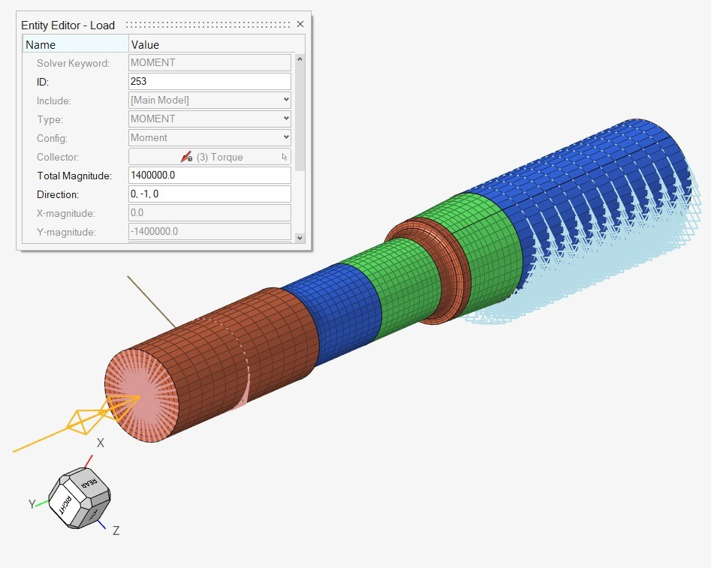
 |  | Bending moment [Nmm] | Torque moment [Nmm] | VM stress [MPa] | Yield stress [MPa] | RF
0 grade | JD-YR-1 | 1300000 | 1400000 | 291.202 | 200 | 0.68680846972
90 grade | JD-YR-03 | 2300000 | 1325000 | 415.369 | 200 | 0.4814995823
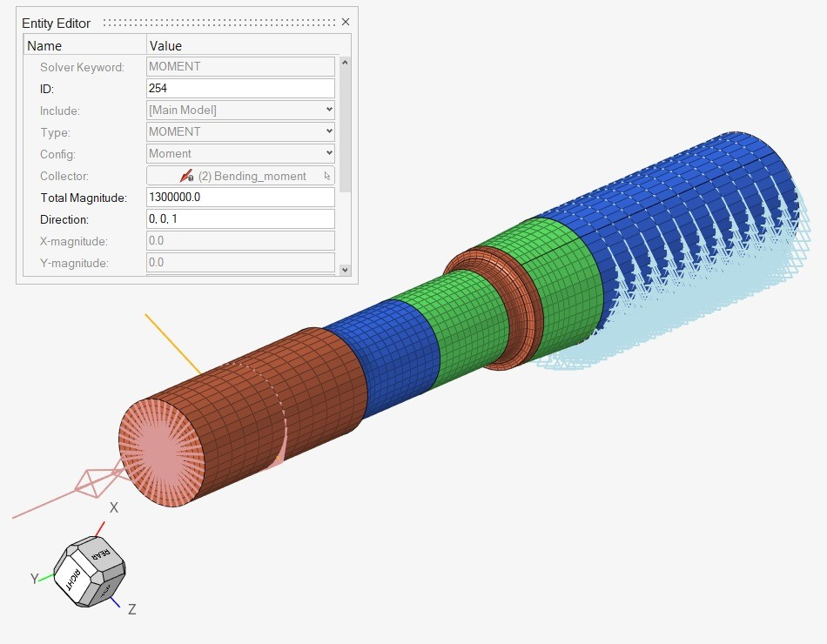


 | JD-YR-1


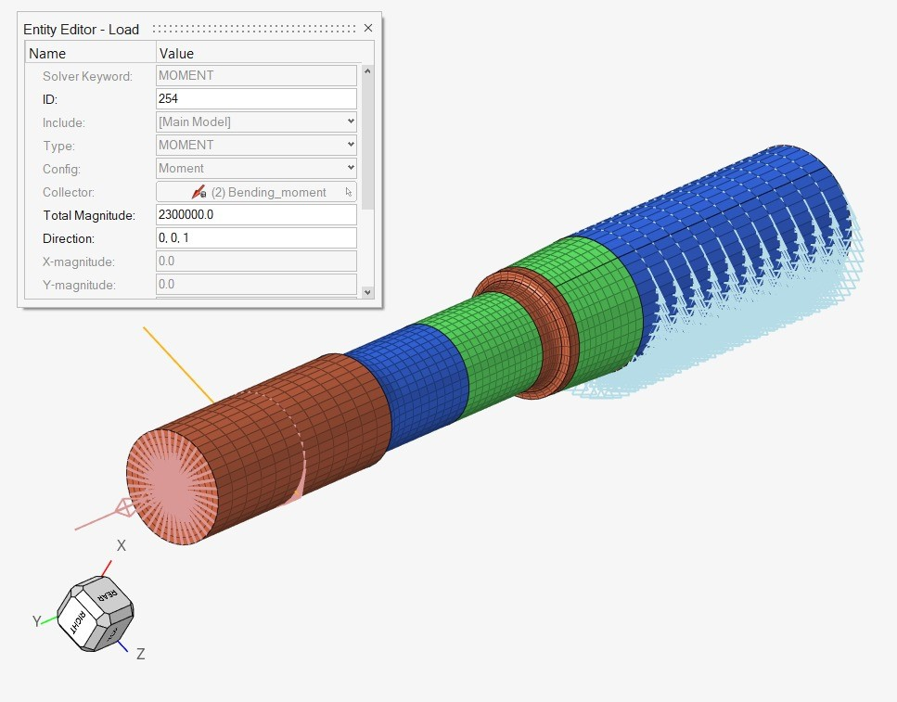
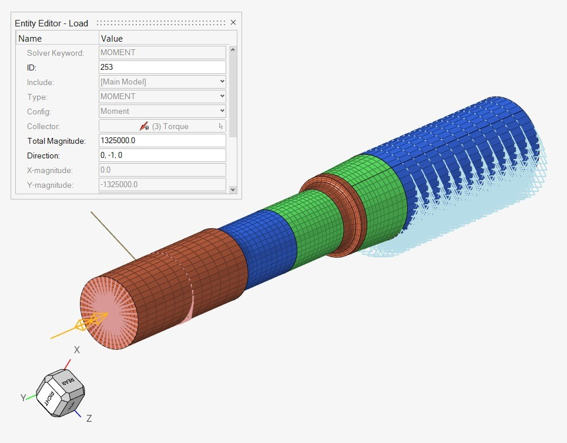
 | JD-YR-03

Sarcina_de_lucru1
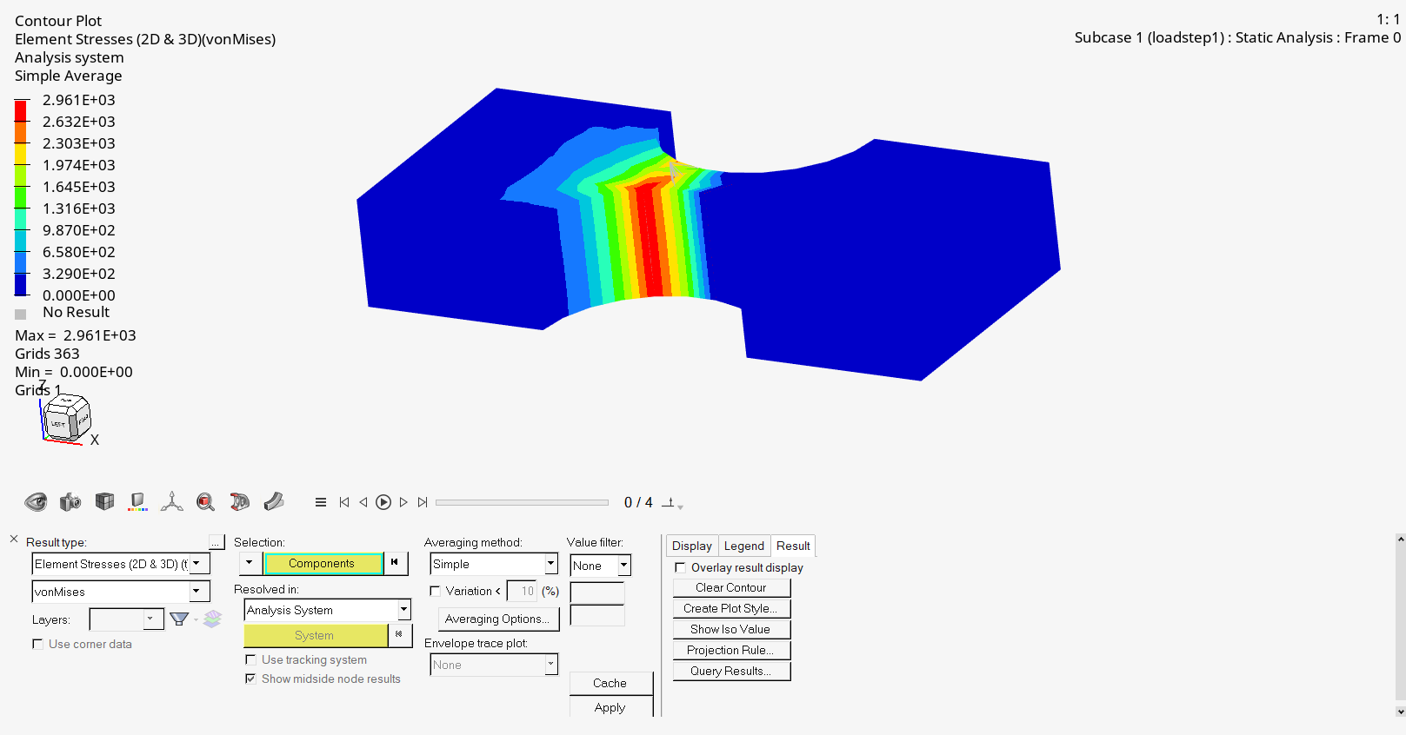
 |  | Analiza statica:

 | grosime:35

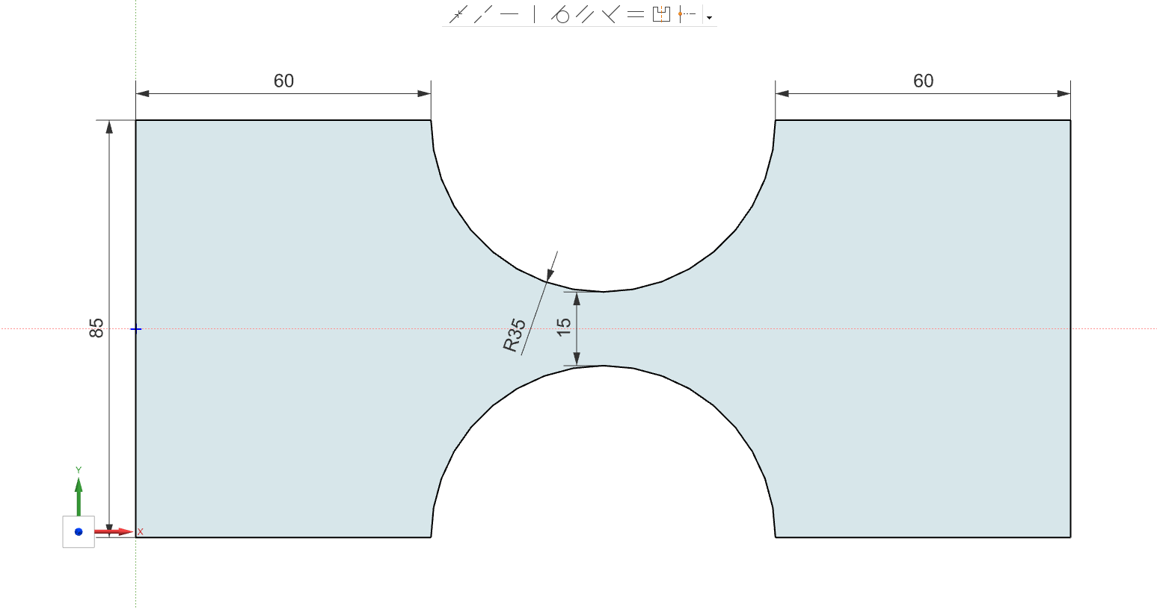

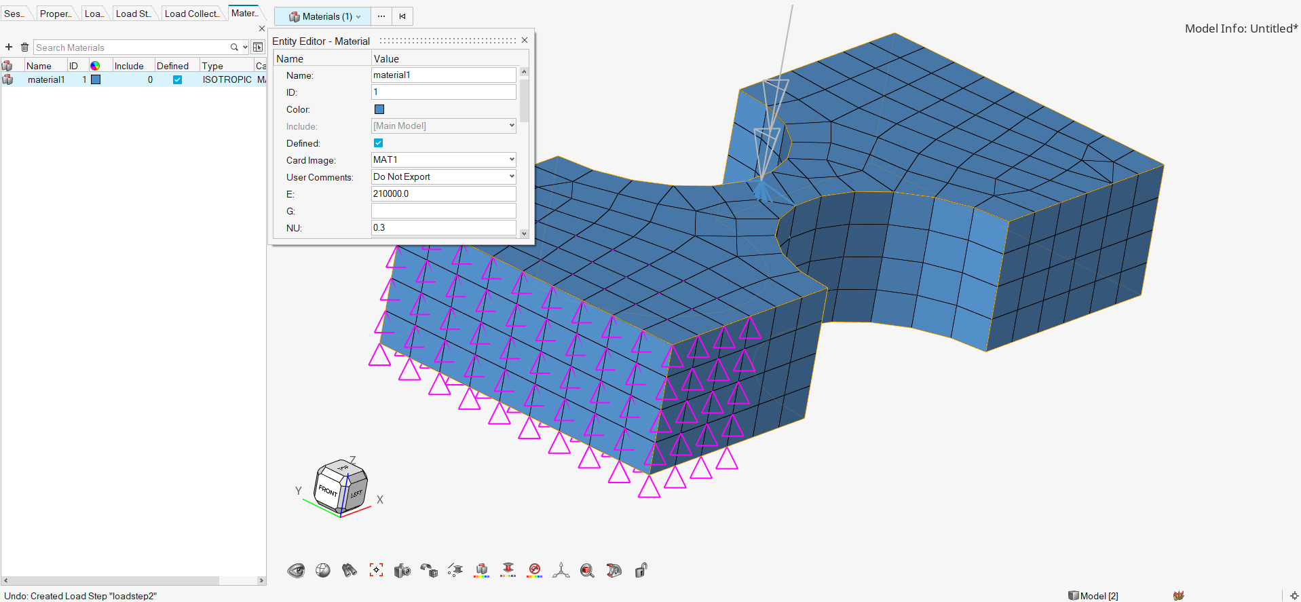
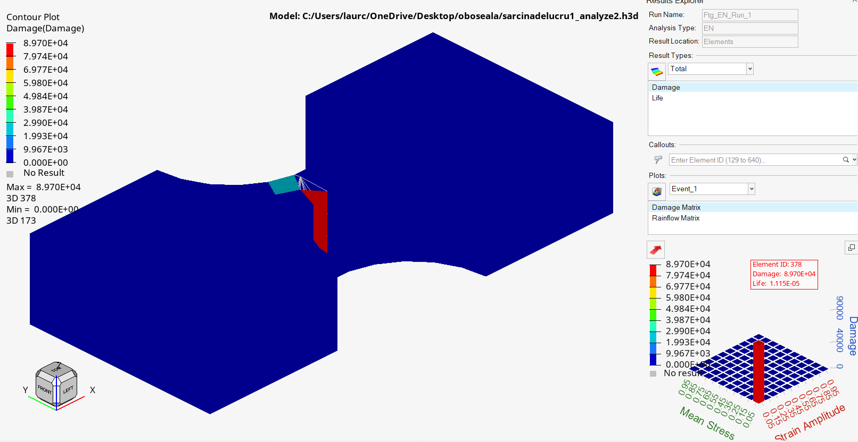
 |  |  | Damage:
Material:
Mesh:10 ,PSOLID, 3D

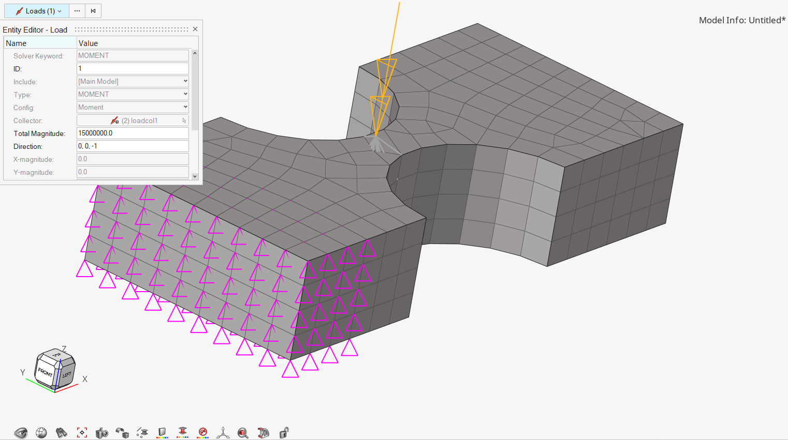
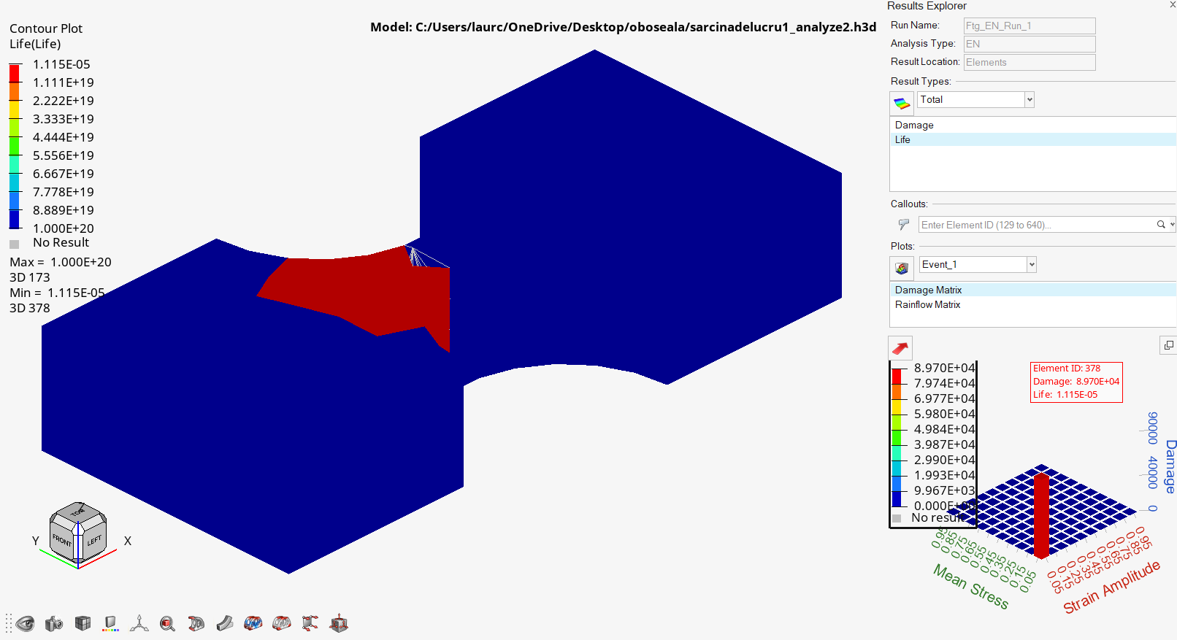
Moment:
spc:mov |  |  | Life:

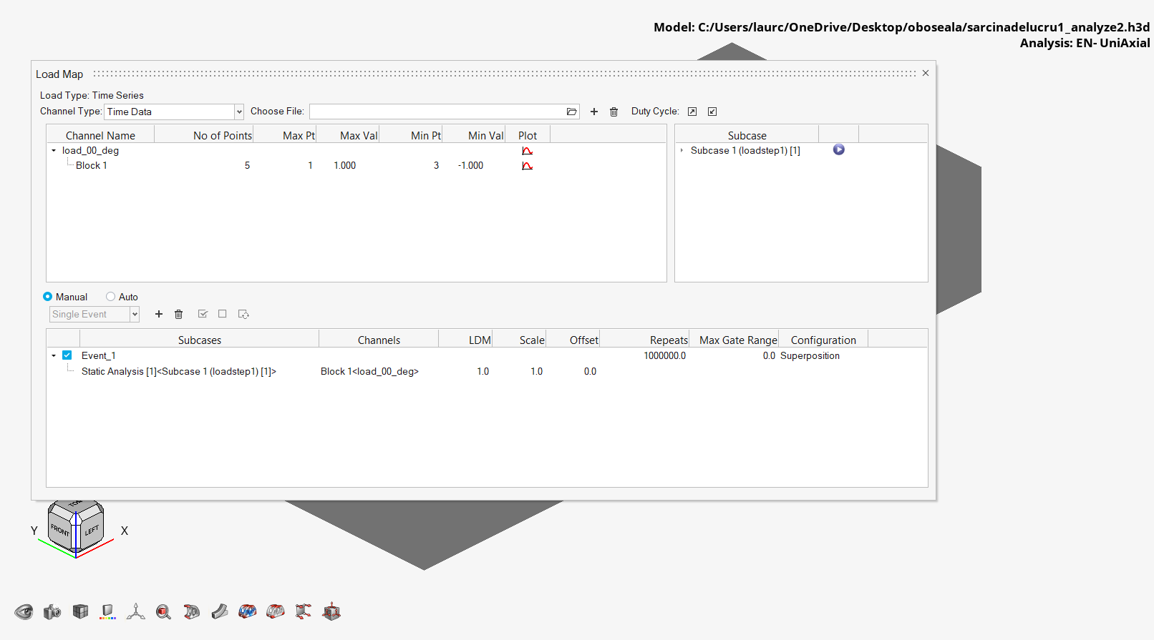
 |  |  | 10^6 cicluri:

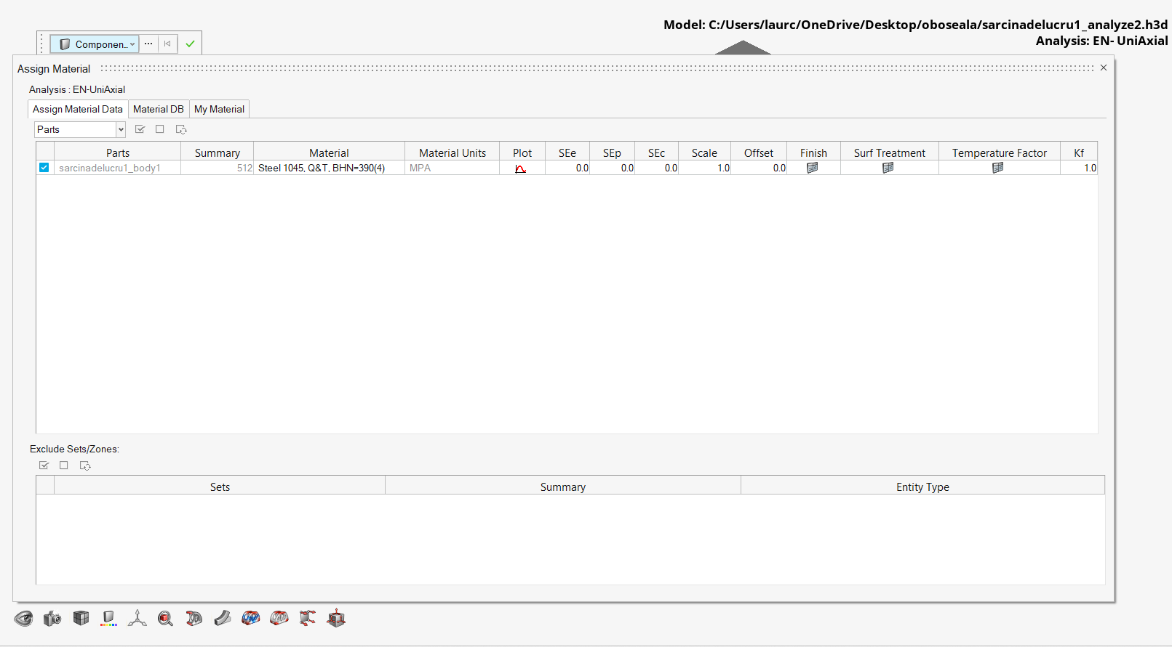
 |  |  | Material HyperLife
 |  |  | cel mai apropiat de
 |  |  | cel folosit in analiza
 |  |  | statica

